Sheet1
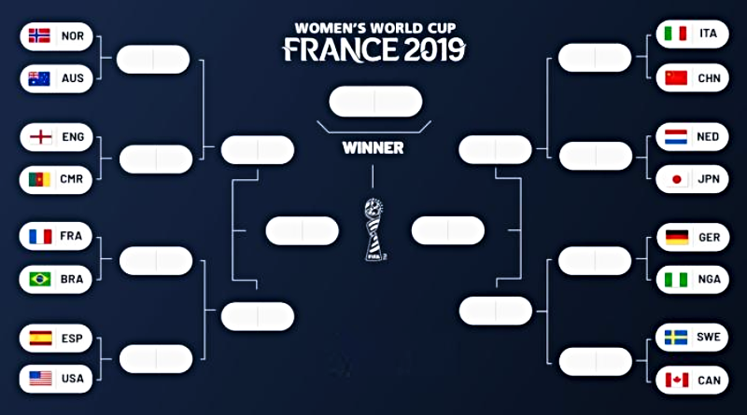
Team France in group A
M1 | Match_no: 3 | Qualified
M2 | Match_no: 14
44
49
56
48
M3 | Match_no: 22
M4 | Match_no: 30
64

43
50
57
60
55
47
Round 16
Match_no: 42 |  | Win

61
62
Quarter-Finals
Match_no: 51 |  | Win

42
51
54
46
Semi-Finals
Match_no: 58 |  | Win
58
63
59

52
45
41
53
Final
Match_no: 64 |  | Win

PK
TEAM
Name | Nick_Name | Manager | Player | Captain | Status

PK
MATCH
Match_No | Match_Type | Stadium | Time
1 | Group_stage
2 | KO_Stage
… |  |  |  |  | PARTICIPATION
64 | Final |  |  |  | Match_No | Team 1 | Team 2 | Result | Winner

